Sheet1
No | Part Number | Brand | Partdesc_En | Partlongdesc_En | Pop | Qtyeach | Vehicle | Picture | Url
1 | DS-332 | STD | Power Seat Switch | Power Seat Switch | X | 1 | Ford Fairmont (79-78) Mercury Cougar (82-80) Mercury Marquis (82) Mercury Zephyr (79-78) | 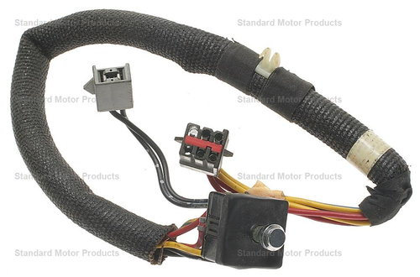 | https://www.standardbrand.com/en/ecatalog?part=DS332&type=p&search=s
2 | DS-888 | STD | Power Seat Switch | Power Seat Switch | C | 1 | Dodge B1500 (98-97) Dodge B2500 (98-97) Dodge B3500 (98-97) Dodge Durango (03-01) Dodge Ram 1500 (05-04), (02-97) Dodge Ram 1500 Van (03-99) Dodge Ram 2500 (05-04), (02-97) Dodge Ram 2500 Van (03-99) Dodge Ram 3500 (05-04), (02-97) Dodge Ram 3500 Van (03-99) Dodge Spirit (92), (90-89) Jeep Cherokee (01-91) Jeep Grand Cherokee (98-93), (04-01) Plymouth Acclaim (95-89) | 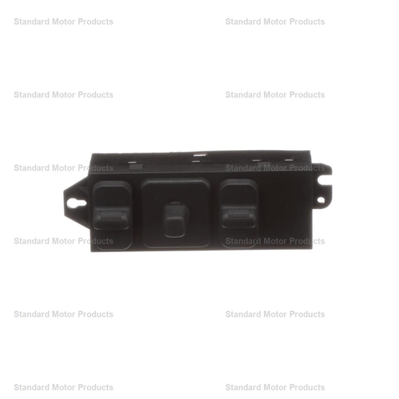 | https://www.standardbrand.com/en/ecatalog?part=DS888&type=p&search=s
3 | DS-1103 | STD | Power Seat Switch | Power Seat Switch | F | 1 | Chrysler 300M (04-00) Chrysler Concorde (04-97) Chrysler Grand Voyager (00) Chrysler Intrepid (04-97) Chrysler LHS (97), (01-99) Chrysler Town & Country (06-96) Chrysler Voyager (03-00) Dodge Caravan (06-96) Dodge Grand Caravan (06-96) Dodge Intrepid (04-97) Jeep Grand Cherokee (04-01) Plymouth Grand Voyager (00-96) Plymouth Voyager (00-96) | 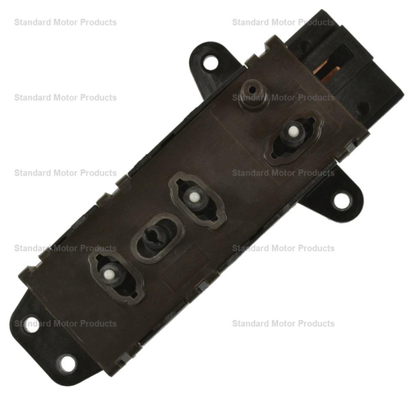 | https://www.standardbrand.com/en/ecatalog?part=DS1103&type=p&search=s
4 | DS-1104 | STD | Power Seat Switch | Power Seat Switch | F | 1 | Chrysler 300M (04-00) Chrysler Concorde (04-97) Chrysler Grand Voyager (00) Chrysler Intrepid (04-97) Chrysler LHS (97), (01-99) Chrysler Sebring (01) Chrysler Town & Country (06-96) Chrysler Voyager (03-00) Dodge Caravan (06-96) Dodge Grand Caravan (06-96) Dodge Intrepid (04-97) Dodge Stratus (05-04) Jeep Grand Cherokee (04-01) Plymouth Grand Voyager (00-96) Plymouth Voyager (00-96) | 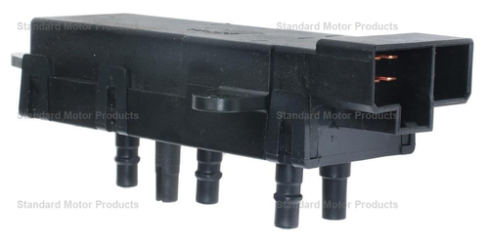 | https://www.standardbrand.com/en/ecatalog?part=DS1104&type=p&search=s
5 | DS-1126 | STD | Power Seat Switch | Power Seat Switch | F | 1 | Chrysler Imperial (91) Chrysler New Yorker (91) Dodge Caravan (90-88) Dodge Dynasty (88) Dodge Grand Caravan (90-88) Plymouth Grand Voyager (90-88) Plymouth Voyager (90-88) | 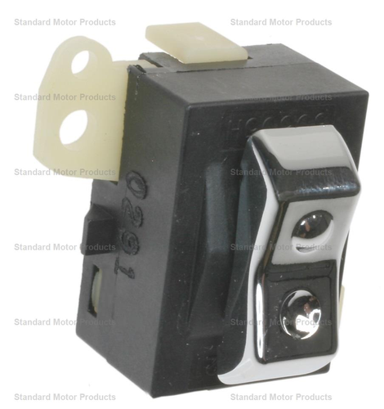 | https://www.standardbrand.com/en/ecatalog?part=DS1126&type=p&search=s
6 | DS-2190 | STI | Power Seat Switch | Power Seat Switch | X | 1 | Kia Sorento (06-03) | 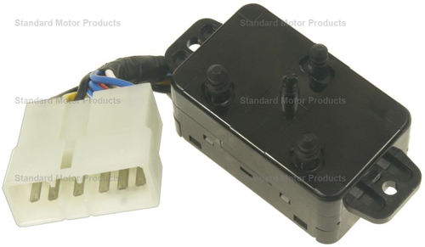 | https://www.standardbrand.com/en/ecatalog?part=DS2190&type=p&search=s
7 | DS-2250 | STI | Power Seat Switch | Power Seat Switch | Q | 1 | Kia Sedona (05-02) | 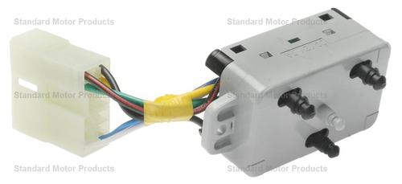 | https://www.standardbrand.com/en/ecatalog?part=DS2250&type=p&search=s
8 | DS-2251 | STI | Power Seat Switch | Power Seat Switch | X | 1 | Kia Sedona (05-02) | 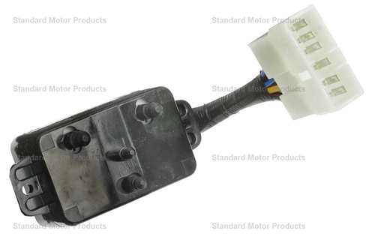 | https://www.standardbrand.com/en/ecatalog?part=DS2251&type=p&search=s
9 | DS-2425 | STD | Power Seat Lumbar Switch | Power Seat Lumbar Switch | F | 1 | Buick Encore (13) | 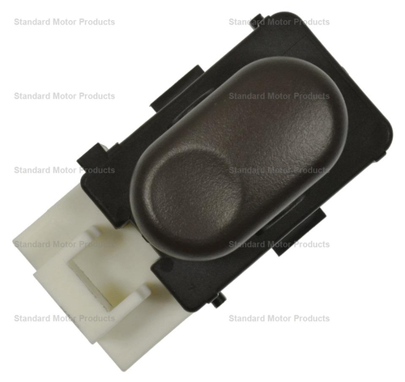 | https://www.standardbrand.com/en/ecatalog?part=DS2425&type=p&search=s
10 | DS-3092 | STD | Heated Seat Switch | Heated Seat Switch | D | 1 | Cadillac Escalade (07-03) Cadillac Escalade ESV (07-03) Cadillac Escalade EXT (07-03) Chevrolet Avalanche (07) Chevrolet Avalanche 1500 (06-03) Chevrolet Avalanche 2500 (06-03) Chevrolet Silverado 1500 (07-03) Chevrolet Silverado 1500 HD (06-05), (03) Chevrolet Silverado 1500 HD Classic (07) Chevrolet Silverado 2500 (04-03) Chevrolet Silverado 2500 HD (07-03) Chevrolet Silverado 3500 (07-03) Chevrolet Silverado 3500 HD (07) GMC Sierra 1500 (07-03) GMC Sierra 1500 HD (06-05), (03) GMC Sierra 1500 HD Classic (07) GMC Sierra 2500 (04-03) GMC Sierra 2500 HD (07-03) GMC Sierra 3500 (06-03) GMC Sierra 3500 Classic (07) GMC Sierra 3500 HD (07) | 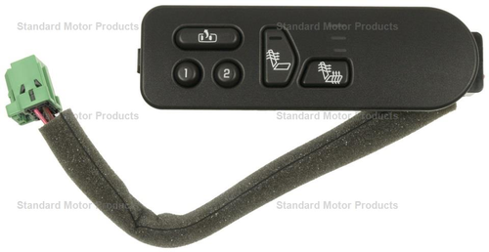 | https://www.standardbrand.com/en/ecatalog?part=DS3092&type=p&search=s

